Sheet1
 | charge | discharge |  |  | charge time | discharge time |  |  | charge avg current | discharge avg current
1 |  |  |  | 1 |  |  |  | 1
2 | 1713300.7 | -1690894 |  | 2 |  |  |  | 2
3 |  |  |  | 3 |  |  |  | 3
4 |  |  |  | 4 |  |  |  | 4
5 |  |  |  | 5 |  |  |  | 5
6 |  |  |  | 6 |  |  |  | 6

 |  |  | charge |  |  |  | discharge

2

3

4

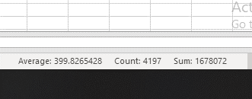

5

6
 |  |  |  |  |  |  |  |  | N/A

